Dashboard
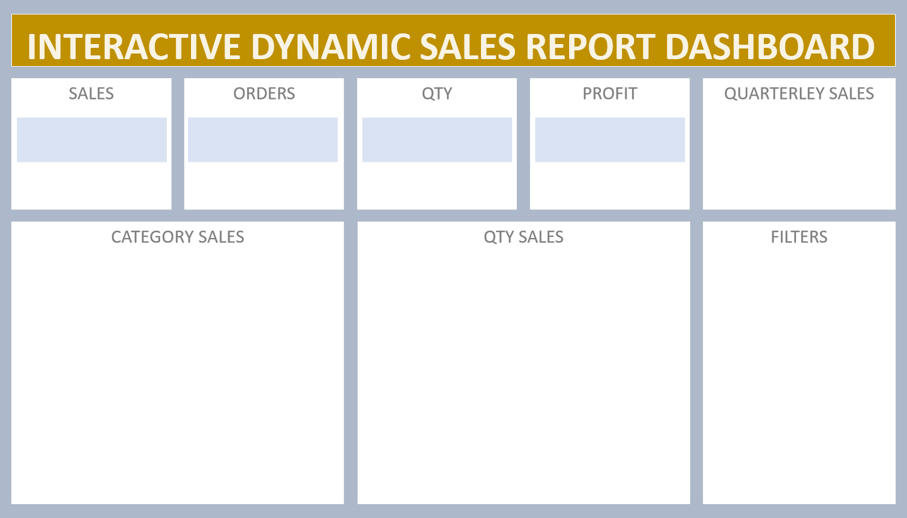

 | Total
Qtr1 | ₹ 2,414,032
Qtr2 | ₹ 2,368,180
Qtr3 | ₹ 3,095,380
Qtr4 | ₹ 1,965,450
₹ 9,843,042
981
4279.8
₹ 984,304

